1
1) ENGLISH ITEM NAME (ex : OOOO machine) | 2)中文名称 | 3) MANUFACTUROR (ex : OOO company) | 4) MODEL NO (ex : abc-123) | 5)Serial number | 6)CN hs code | 7)VN hs code | 8)Material | 9) VOLTAGE (ex : 220V) | 10) CAPACITY (ex :1200KW) | 11) Manufacture date (yyyy-mm-dd) | 12) ORIGIN | 13) NEW or USED | 14) PICTURE (BEFORE PACKING) | 15) PICTURE (NAME PLATE or label) | 16)Quantity | 17)cost(RMB 13%VAT) | 18)cost(USD) | 19)Total cost(USD) | 20)CARTON NO. | 21)CTN QTY | 22)G.W(KGS) | 23)N.W(KGS) | 24)Package Size(CM) | 25)Part size(CM) | 26)应用范围 | 27)是否带电源
Intelligent digital desktop smoking device | 智能数显桌面吸烟仪 | Shenzhen Chuangshidai Electronic Technology Co., Ltd | ST-100XP | / |  |  | 塑料+铁+电子元件 | AC100-240V | 15W | 2026-04-21 | China | NEW | 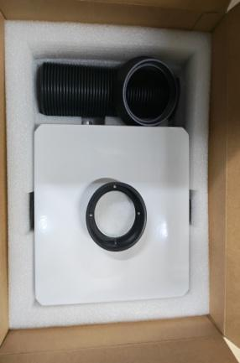 | 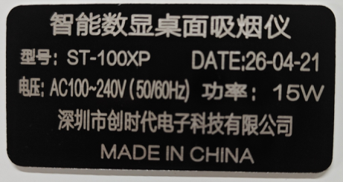 | 5 | 280 |  |  | W4 |  | 21 | 11 | 60x40x40 | 32X24X14 | Tooling | NO
2.0 USB copper printing cable | 2.0USB铜打印线 | Guangzhou Shuojie Network Technology Co., Ltd | DW-UDY4015 | / |  |  | 线材 | / | / | 2026-05-05 | China | NEW | 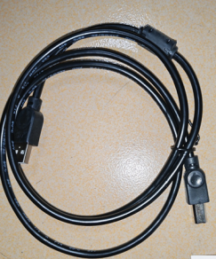 |  | 20 | 15 |  |  |  |  |  | 1.27 |  | 23X12.5X2 | TEST USE | NO
screw | 螺杆 | Shenzhen Chisu Co., Ltd | SP-25 | / |  |  | 铁 | / | / | 2026-05-08 | China | NEW |  | 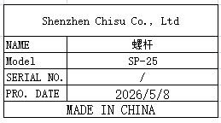 | 3 | 90 |  |  |  |  |  | 0.06 |  | 10x0.6 | Tooling | NO
Wire wound resistor | 线绕电阻 | Ruiyuan Resistance Factory | 100W/4Ω | / |  |  | 陶瓷 | / | / | 2026-05-08 | China | NEW | 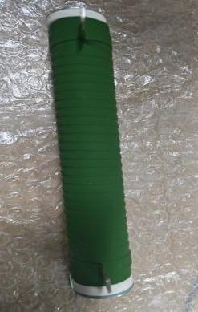 | 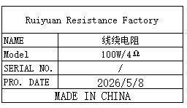 | 3 | 21 |  |  |  |  |  | 0.66 |  | 22x7x3 | TEST USE | NO
rubber wheel | 胶轮 | Techsen Electronics(ShenZhen)Co.,Ltd | 100X50 | / |  |  | 塑胶 | / | / | 2026-05-08 | CHINA | NEW |  | 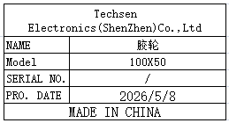 | 2 | 32 |  |  |  |  |  | 0.27 |  | 10X5 | TEST USE | NO
Three core electric wire | 三芯电线 | Guangdong Wire and Cable Factory | / | / |  |  | 线材 | / | / | 2026-05-08 | China | NEW | 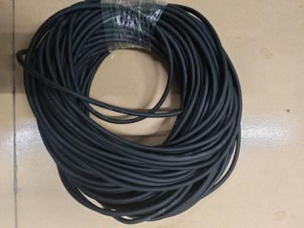 | 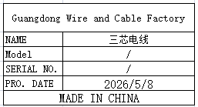 | 50 | 2.5 |  |  |  |  |  | 2.75 |  | 30X30 | TEST USE | NO
power wir | 电源线 | JNCZO Electronics factory | DC5.5X2.5 | / |  |  | 塑胶+线材 | / | / | 2026-05-08 | CHINA | NEW |  | 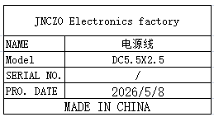 | 30 | 10 |  |  |  |  |  | 1.6 |  | 24X2.5X2 | Tool repair | NO
Audio plug | 音频插头 | Yongsheng Electronics Co., Ltd | 6.35mm | / |  |  | 铜 | / | / | 2026-05-08 | CHINA | NEW |  | 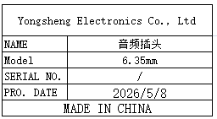 | 30 | 4.5 |  |  |  |  |  | 0.4 |  | 9X1X1 | TEST USE | NO
Probing needle | 探 针 | Huarong Probe Co. , Ltd | P75-Q1 | / |  |  | 铜 | / | / | 2026-05-08 | CHINA | NEW |  | 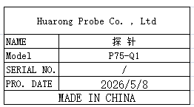 | 200 | 0.6 |  |  |  |  |  | 0.02 |  | 5X3.5 | FCT repair | NO
pressure head | 压头 | Dongguan Qimingfeng Hardware Store | M6X55 | / |  |  | 塑料+铁 | / | / | 2026-05-08 | CHINA | NEW | 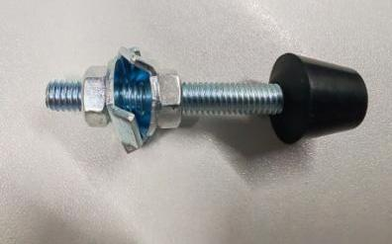 | 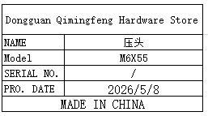 | 30 | 4 |  |  |  |  |  | 0.62 |  | 0.6X5.5 | Tooling | NO
mini speaker | 小音箱 | Xinjie Technology Factory | 101DP | / |  |  | 塑料+电子板 | DC5V | 3W | 2026-05-08 | CHINA | NEW | 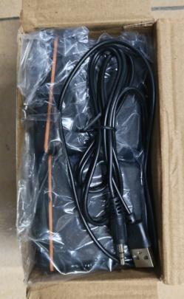 | 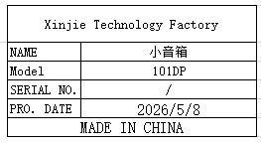 | 4 | 32 |  |  |  |  |  | 0.98 |  | 15X8X8 | Tooling | NO
High frequency soldering iron heating core | 高频烙铁发热芯 | ZEROMAN Electronic Technology Co., LTD | 203H | / |  |  | 铜+线材 | / | / | 2026-05-08 | CHINA | NEW |  | 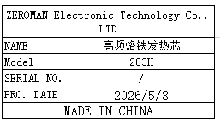 | 20 | 18 |  |  |  |  |  | 0.28 |  | 11X1 | Tool repair | NO
Heating plate for hot stamping machine | 烫金机发热板 | Techsen Electronics(ShenZhen)Co.,Ltd | CUBW-ST2 | / |  |  | 铝+耐高温胶 | / | / | 2026-06-09 | CHINA | NEW |  |  | 4 | 100 |  |  |  |  |  | 0.2 |  | 13X2.2X0.8 | Tooling | NO
Heating plate for hot stamping machine | 烫金机发热板 | Techsen Electronics(ShenZhen)Co.,Ltd | VE-1 | / |  |  | 铝+耐高温胶 | / | / | 2026-06-09 | CHINA | NEW | 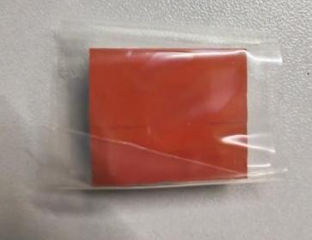 |  | 6 | 85 |  |  |  |  |  | 0.1 |  | 2.X2X0.8 | Tooling | NO
electric screw driver | 电动螺丝刀 | SHUANGAI Industrial Co., Ltd | POL-SDGS-0115 | / |  |  | 铁+线材 | 24VDC | 15W | 2026-05-08 | China | NEW | 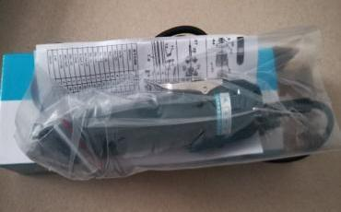 |  | 10 | 120 |  |  | W5 | 1 | 15 | 5.5 | 42X28X24 | 28x8x5 | TOOLS | NO
electric screwdriver | 电动螺丝刀 | SHUANGAI Industrial Co., Ltd | POL-SD1 | / |  |  | 铁+线材 | 24VDC | 20W | 2026-05-08 | CHINA | NEW |  |  | 10 | 125 |  |  |  |  |  | 7.5 |  | 28x8x5 | TOOLS | NO
Beer machine parts and fixtures | 啤机配件治具 | Techsen Electronics(ShenZhen)Co.,Ltd | / | / |  |  | 铁 |  |  | 2026-05-15 | CHINA | NEW |  | 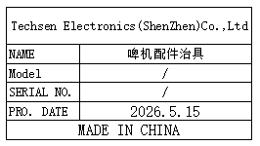 | 5 | 5 |  |  | W6 | 1 | 1.65 | 0.3*5 | 52*35x27 | 82.4x15.8 | Production Assemble | NO

